R eta
R squared / eta squared

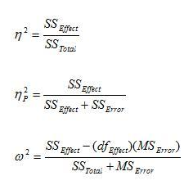
 | One Way |  | Two Way
 | SS Model | 168.75 | SS Var 1 | 168.75
 | SS Total | 3656.25 | SS Var 2 | 3332.292
 |  |  | SS Interaction | 1978.125
 |  |  | SS error | 3487.5

 |  |  | Rsquared: | 0.61105949401
 | Rsquared: | 0.046153846154 | Partial eta Var 1: | 0.046153846154
 | eta squared: | 0.046153846154 | Partial eta Var 2: | 0.48862076732
 |  |  | Partial eta Interaction: | 0.36192109777

Omega squared

 | Between Subjects |  | Repeated Measures
 | SS model | 3332.292 | F value | 3.794
 | df model | 2 | Levels | 4
 | Mean Square Residual | 83.036 | n people per level | 8
 | SS Total | 8966.667

 | Omega squared: | 0.34987004546 | Omega squared: | 0.2075677282

